Participation consent form
Research Participation Consent Form
Page 1 (Chinese version) | Page 2 (English version) | Page 2 (Chinese version) | Page 2 (English version)
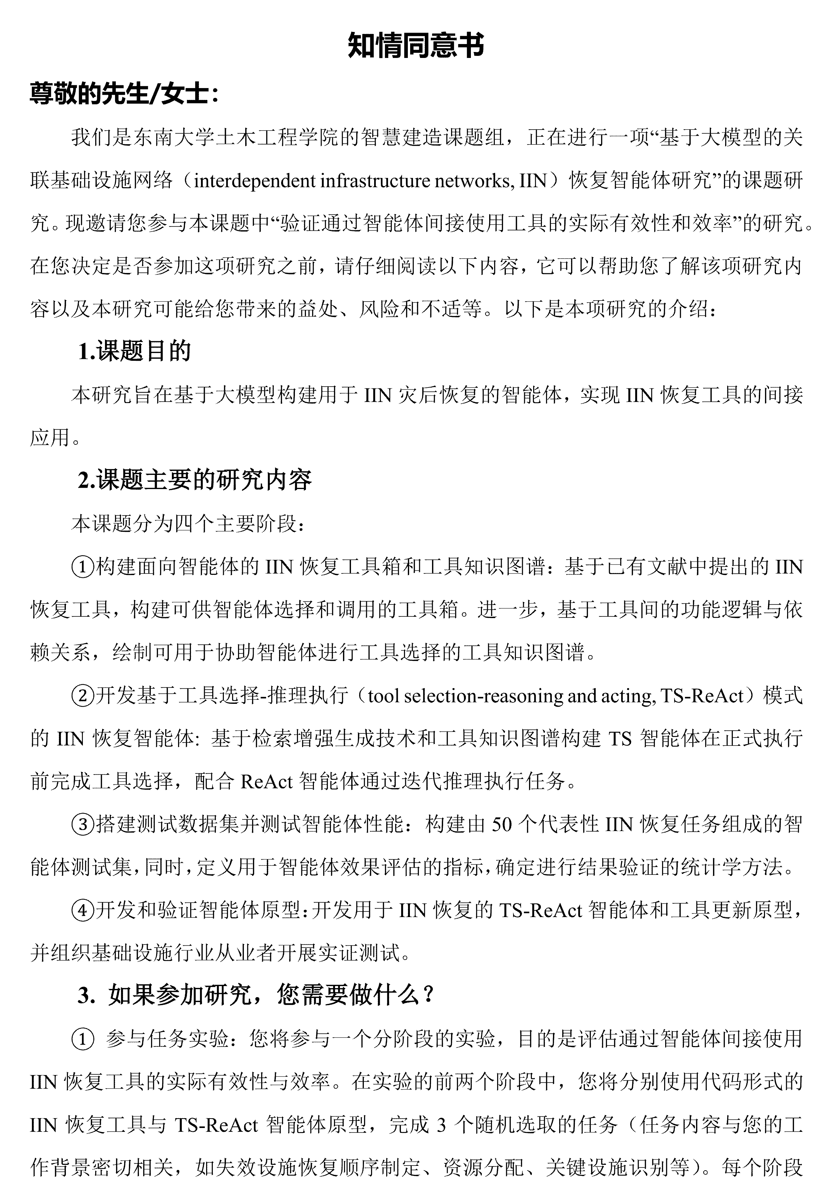 | 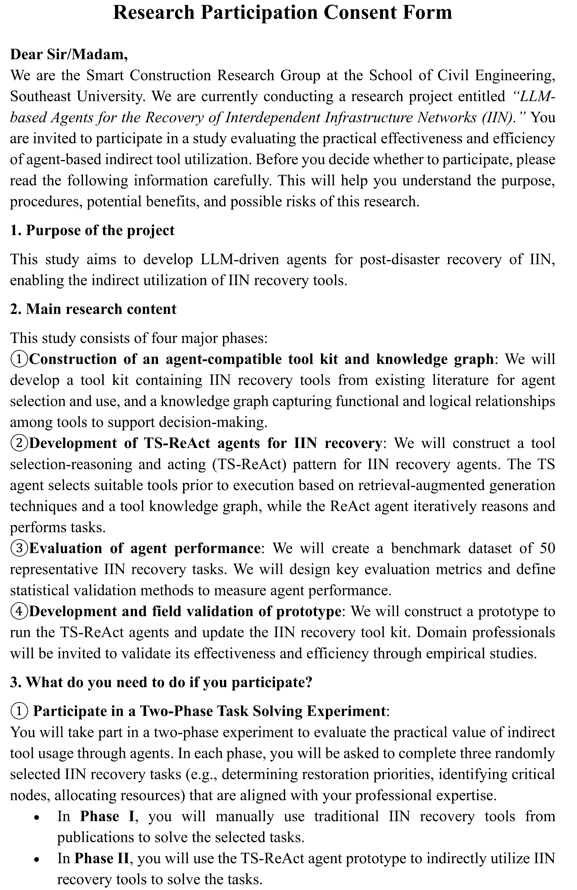 | 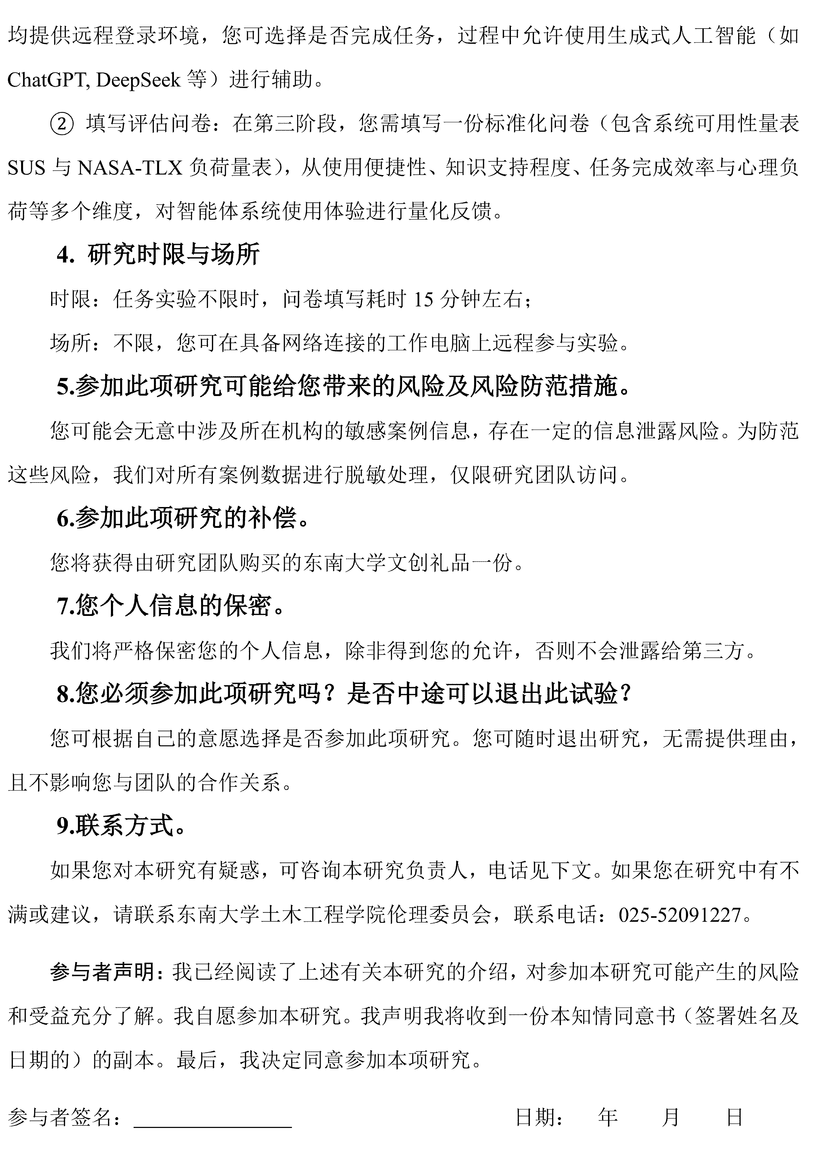 | 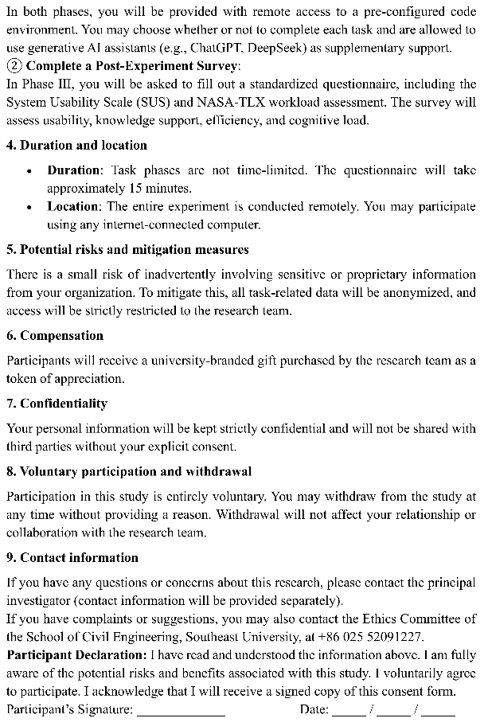

SUS-TLX combined form
The SUS-TLX combined form designed in this study
Page 1 | Page 2 | Page 3
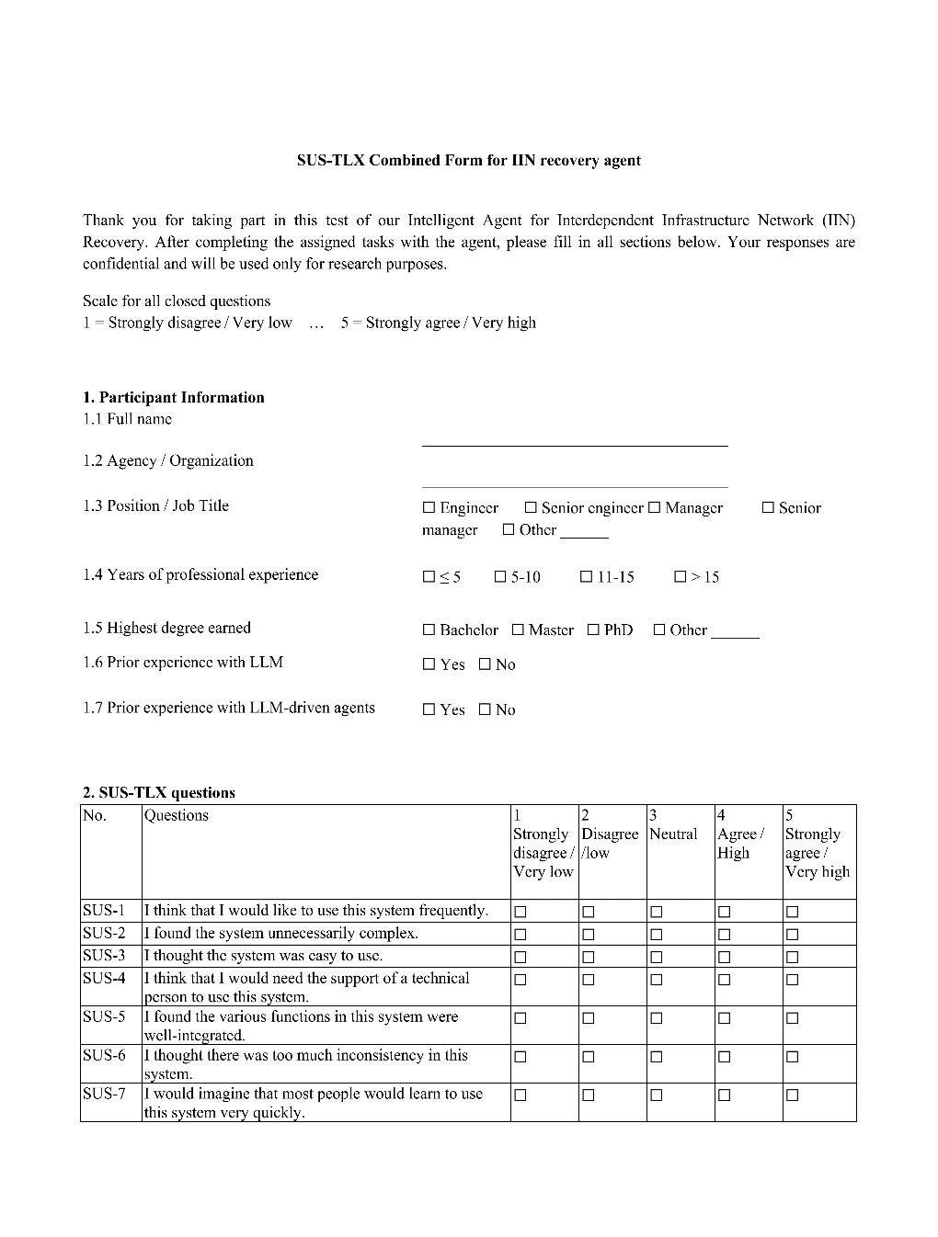 | 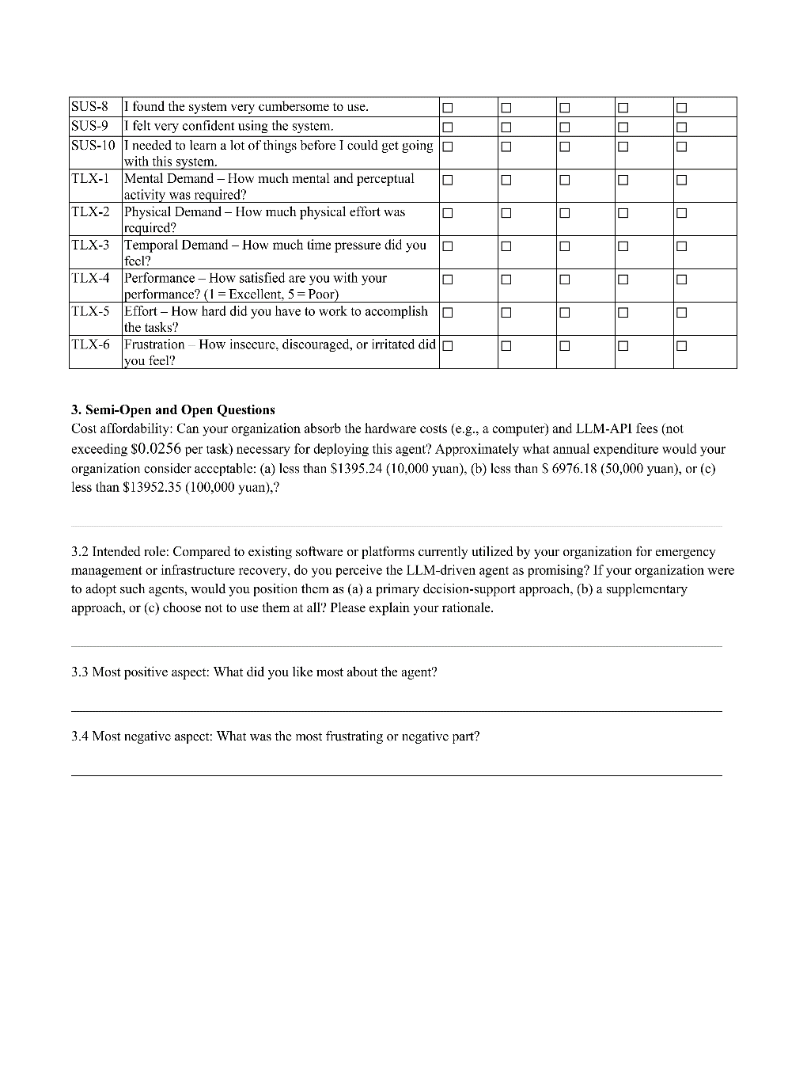 | 